Sheet1
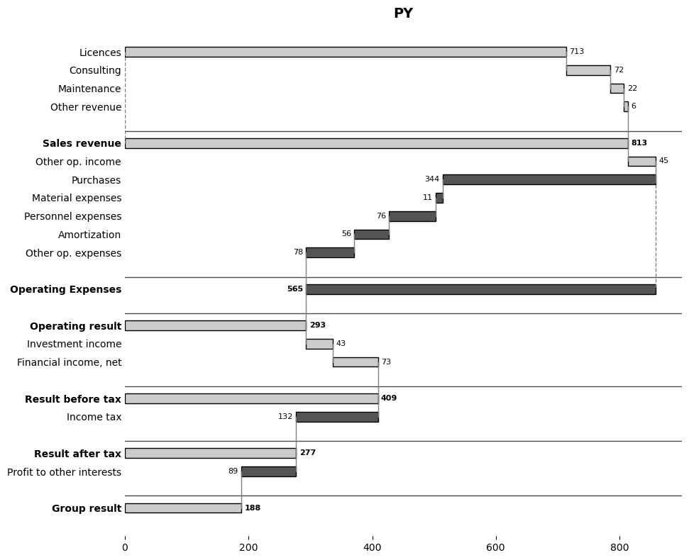
position | type | bold | subtotal_group | Line Item | PY | AC | ΔPY | ΔPY%
1 | bar | FALSE | 1 | Licences | $713.30 | 896.4 | 183.1 | 25.669423805
2 | bar | FALSE | 1 | Consulting | $72.00 | 90 | 18 | 25
3 | bar | FALSE | 1 | Maintenance | $22.00 | 10 | -12 | -54.545454545
4 | bar | FALSE | 1 | Other revenue | $6.00 | 65 | 59 | 983.33333333
5 | divider | FALSE
6 | subtotal | TRUE | 1 | Sales revenue
7 | bar | FALSE |  | Other op. income | $45.00 | 17 | -28 | -62.222222222
8 | bar | FALSE | 2 | Purchases | -$344.10 | -379.2 | -35.1 | 10.200523104
9 | bar | FALSE | 2 | Material expenses | -$11.00 | -54 | -43 | 390.90909091
10 | bar | FALSE | 2 | Personnel expenses | -$76.00 | -127.1 | -51.1 | 67.236842105
11 | bar | FALSE | 2 | Amortization | -$56.00 | -40 | 16 | -28.571428571
12 | bar | FALSE | 2 | Other op. expenses | -$78.00 | -152.1 | -74.1 | 95
13 | divider | FALSE
14 | subtotal | TRUE | 2 | Operating Expenses
15 | divider | FALSE
16 | result | TRUE |  | Operating result
17 | bar | FALSE |  | Investment income | $43.00 | 53 | 10 | 23.255813953
18 | bar | FALSE |  | Financial income, net | $73.00 | 66 | -7 | -9.5890410959
19 | divider | FALSE
20 | result | TRUE |  | Result before tax
21 | bar | FALSE |  | Income tax | -$132.10 | -111 | 21.1 | -15.972747918
22 | divider | FALSE
23 | result | TRUE |  | Result after tax
24 | bar | FALSE |  | Profit to other interests | -$89.00 | -55 | 34 | -38.202247191
25 | divider | FALSE
26 | result | TRUE |  | Group result

